MOG.7710.114.04
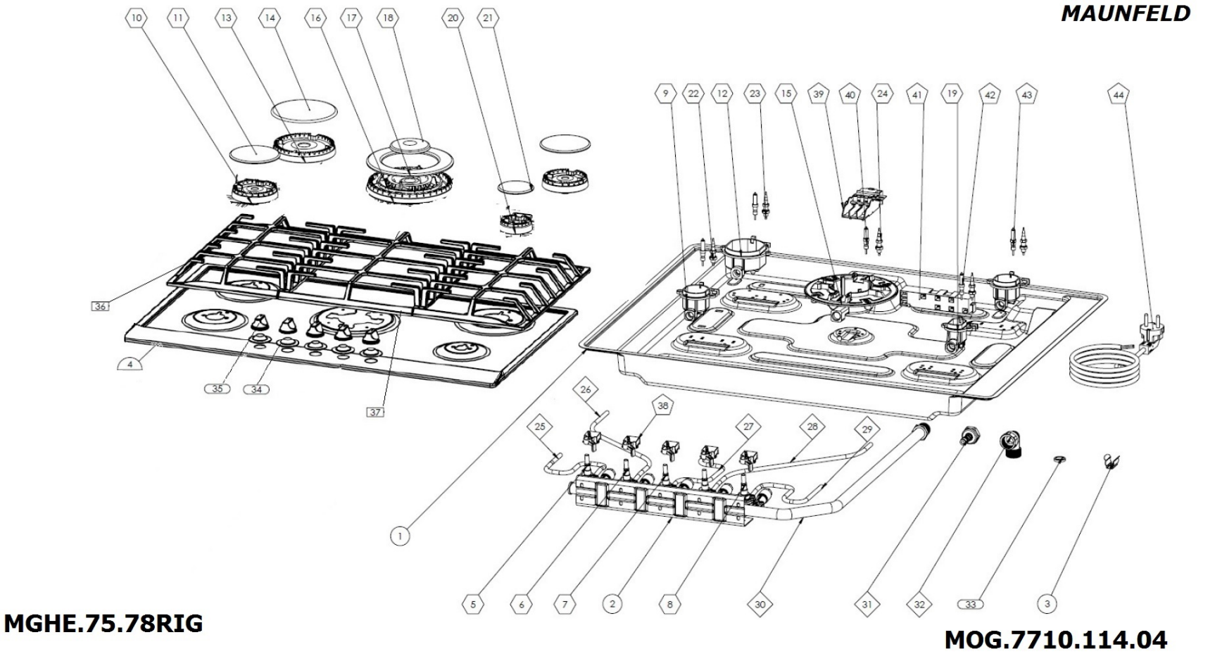

2018-11-14
MGHE.75.78RIG/ MOG.7710.114.04
# | CODE | DESCRIPTION EN
1 | YOC.140.1001.65 | 700 MM LOWER ENCLOSURE V2
2 | YOC.140.1003.25 | QUINTET VALVE SUPPORT METAL H:34-63
3 | YOC.140.1000.04 | ASSEMBLY BRACELET
4 | YOC.140.1006.18 | 700 MM UPPER ENCLOSURE 4G1W 3,8 KW
5 | HOC.550.1000.54 | GAS VALVE FOR WOK BURNER SABAF NG FFD
6 | HOC.550.1000.55 | RAPID GAS VALVE NG FFD 41 GN SOCKET ALU.
7 | HOC.550.1000.56 | SEMIRAPID GAS VALVE NG FFD 34 GN SOCKET ALU.
8 | HOC.550.1000.57 | AUXILIARY GAS VALVE NG FFD 32 GN SOCKET ALU.
9 | HOC.510.1000.13 | SEMI TAPID BURNER CUP NG SABAF
10 | HOC.520.1000.05 | SEMI RAPID FLAME SPREADER-SABAF
11 | HOC.530.1000.08 | 3MM SEMI RAPID MATTE BURNER CAP SABAF
12 | HOC.510.1000.12 | RAPID BURNER CUP NG SABAF
13 | HOC.520.1000.06 | RAPID FLAME SPREADER-SABAF
14 | HOC.530.1000.09 | 3MM RAPID MATTE BURNER CAP SABAF
15 | HOC.510.1000.21 | WOK BURNER CUP 3,8 KW SABAF
16 | HOC.520.1000.17 | WOK FLAME SPREADER 3,8 KW SABAF
17 | HOC.530.1000.36 | 3,8KW OUTER WOK MATTE BURNER CAP V2
18 | HOC.530.1000.37 | 3,8KW INNER WOK MATTE BURNER CAP V2
19 | HOC.510.1000.14 | AUXILIARY BURNER CUP NG SABAF
20 | HOC.520.1000.04 | AUXILIARY FLAME SPREADER-SABAF
21 | HOC.530.1000.07 | 3MM AUXILIARY MATTE BURNER CAP SABAF
22 | HOC.460.1000.02 | THERMOCOUPLE FOR SAFETY DEVICE L310
23 | HOC.460.1000.01 | THERMOCOUPLE FOR SAFETY DEVICE L560
24 | HOC.460.1000.04 | WOK BURNER THERMOCOUPLE-SABAF
25 | HOC.910.1000.69 | FRONT CONTROLLED 4G1W 70 STAINLESS STEEL COPRECI ALM PIPE 90D B1
26 | HOC.910.1000.70 | FRONT CONTROLLED 4G1W 70 STAINLESS STEEL COPRECI ALM PIPE 90D B2
27 | HOC.910.1000.71 | FRONT CONTROLLED 4G1W 70 STAINLESS STEEL COPRECI ALM PIPE 90D B3
28 | HOC.910.1000.72 | FRONT CONTROLLED 4G1W 70 STAINLESS STEEL COPRECI ALM PIPE 90D B4
29 | HOC.910.1000.73 | FRONT CONTROLLED 4G1W 70 STAINLESS STEEL COPRECI ALM PIPE 90D B5
30 | HOC.920.1000.05 | FRONT CONTROLLED 5G 70CM MAIN GAS PIPE
31 | HOC.540.1000.03 | HOSE CONNECTION PART R 1/2'
32 | HOC.540.1000.02 | 1/2 GASKETTED PIPE FOR NG
33 | HG19.61.00.0002 | GASKET 18*11*2 MM
34 | HOC.290.1000.12 | BIG KNOB GASKET (STAINLESS STEEL HOB)
35 | HOC.210.1002.43 | 3 MM KNOB
36 | HOC.810.1000.28 | P06 CAST IRON PAN SUPPORT FOR INOX 70
37 | HOC.810.1000.29 | P06 CAST IRON PAN SUPPORT FOR INOX 70 WOK
38 | HOC.430.1000.06 | QUINTET MICRO SWITCH BAND FFD
39 | HOC.410.1000.04 | SL100 TERMINAL
40 | HOC.450.1000.03 | WOK BURNER SPARK PLUG SABAF
42 | HOC.460.1000.12 | CABLED ELECTRODE 310MM
43 | HOC.450.1000.07 | CABLED ELECTRODE 510 MM
44 | HOC.420.1000.01 | PLUGGED CABLE W/EARTH 1350 MM

