MOG.3620.114.01- MEHE.32.62W
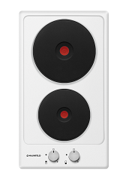
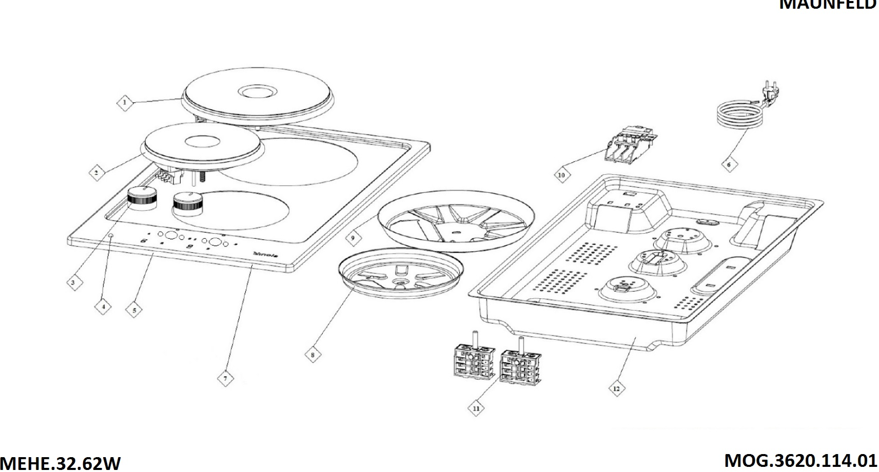

DATE :18.11.2016
MOG.3620.114.01 / MEHE.32.62W / REV 01
NO# | CODE | DESCRIPTION
1 | HOC.940.1000.04 | Ø180 MM HOT PLATE-2000W RAPID
2 | HOC.940.1000.03 | Ø145 MM HOT PLATE-1500W RAPID
3 | HOC.210.1003.02 | ручка кправления
4 | HOC.470.1000.06 | SIGNAL LAMP DOUBLE RESISTANCE 6 350 MM
5 | YOC.140.1005.45 | рабочий стол
6 | HOC.420.1000.03 | PLUGGED CABLE 3*1,5 MM
8 | YOC.140.1000.12 | ø145 HOT PLATE FIXING METAL FOR INOX
9 | YOC.140.1000.25 | ø180 HOT PLATE FIXING METAL FOR INOX
10 | HOC.410.1000.04 | SL100 TERMINAL
11 | HOC.430.1000.05 | переключатель режимов
12 | YOC.140.1001.63 | 300 MM LOWER ENCLOSURE V2
? | HOC.470.1000.04 | Комплект проводов к MEHE.32.62_HOC.470.1000.04

