Лист1
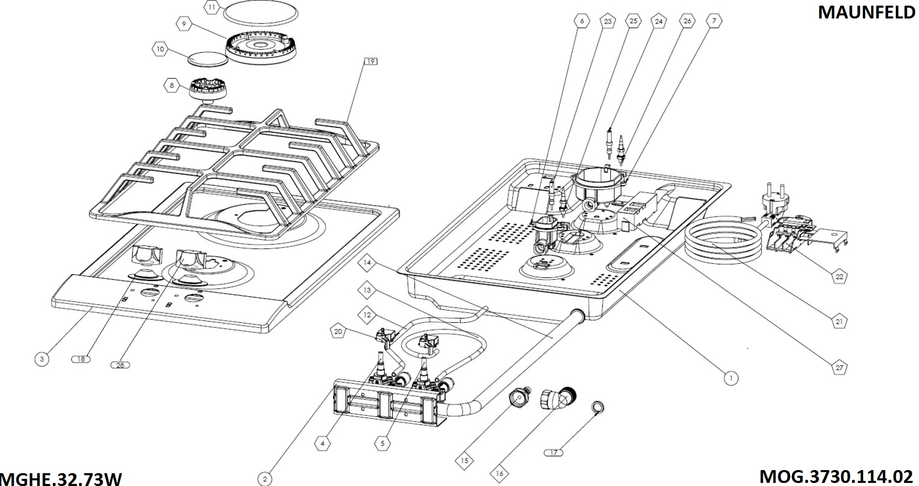

DATE :12.06.2015
MGHE.32.73W
NO# | CODE | DESCRIPTION
1 | YOC.140.1005.76 | TABLE 300mm
2 | YOC.140.1001.67 | DOUBLE VALVE SUPPORT METAL H:36-63
3 | YOC.140.1000.85 | 300 MM FC INOX 2G V2 UPPER PANEL
4 | HOC.550.1000.55 | RAPID GAS VALVE NG FFD 41 GN SOCKET ALU.
5 | HOC.550.1000.57 | AUXILIARY GAS VALVE NG FFD 32 GN SOCKET ALU.
6 | HOC.510.1000.14 | AUXILIARY BURNER CUP NG SABAF
7 | HOC.510.1000.12 | RAPID BURNER CUP NG SABAF
8 | HOC.520.1000.14 | AUXILIARY FLAME SPREADER SABAF
9 | HOC.520.1000.16 | RAPID FLAME SPREADER SABAF
10 | HOC.530.1000.40 | AUXILIARY BURNER CAP MATTE SABAF
11 | HOC.530.1000.42 | RAPID BURNER CAP MATTE SABAF
12 | HOC.910.1000.38 | DOMINO 2G STAINLESS STEEL COPRECI ALUMINUM PIPE 90D B1
13 | HOC.910.1000.39 | DOMINO 2G STAINLESS STEEL COPRECI ALUMINUM PIPE 90D B2
14 | HOC.920.1000.18 | FRONT CONTROLLED 2G MAIN GAS PIPE
15 | HOC.540.1000.03 | HOSE CONNECTION PART R 1/2'
16 | HOC.540.1000.02 | 1/2 GASKETTED PIPE FOR NG
17 | HOC.290.1000.03 | 18X11X2 MM NITRILE WASHER
18 | HOC.290.1000.12 | BIG KNOB GASKET (STAINLESS STEEL HOB)
19 | HOC.810.1000.13 | P06 CAST IRON PAN SUPPORT FOR INOX 30
20 | HOC.430.1000.08 | DOUBLE MICRO SWITCH BAND FFD
21 | HOC.420.1000.01 | PLUGGED CABLE W/EARTH 1350 MM
22 | HOC.410.1000.04 | SL100 TERMINAL
23 | HOC.460.1000.12 | CABLED ELECTRODE 310MM
24 | HOC.460.1000.12 | CABLED ELECTRODE 310MM
25 | HOC.460.1000.01 | THERMOCOUPLE FOR SAFETY DEVICE L560
26 | HOC.460.1000.02 | THERMOCOUPLE FOR SAFETY DEVICE L310
27 | HOC.440.1000.04 | IGNITER (FILTERED) 10HZ 2 OUTPUT WITH EARTH
28 | HOC.210.1002.57 | ø36 KNOB K21

